Allure Reports
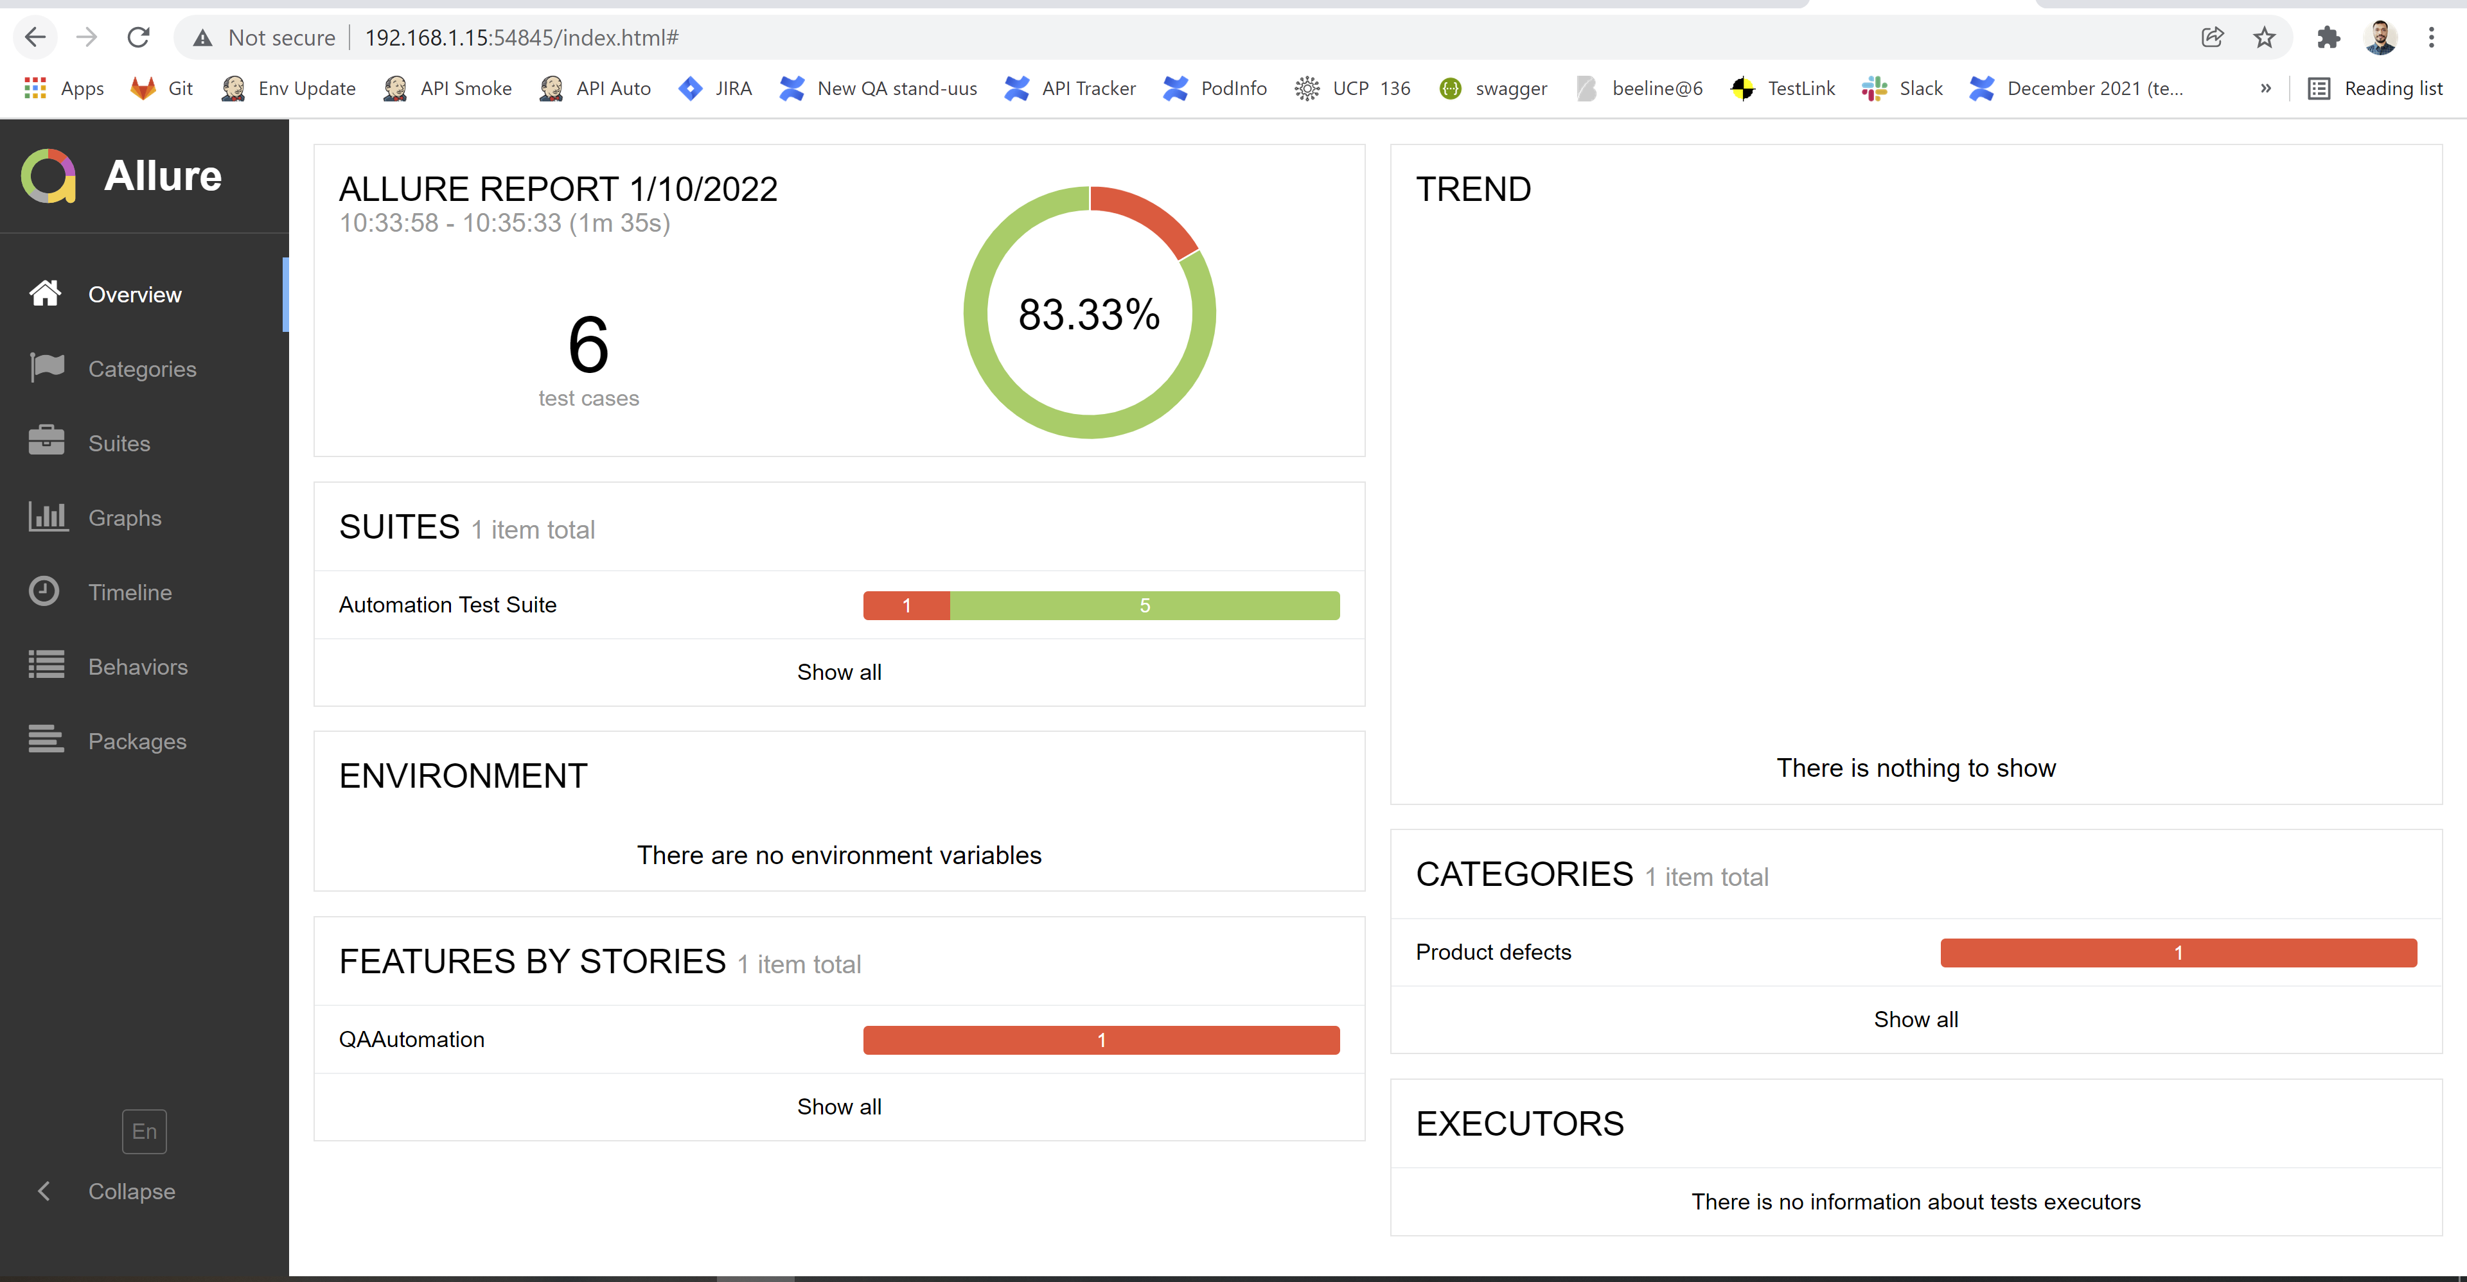
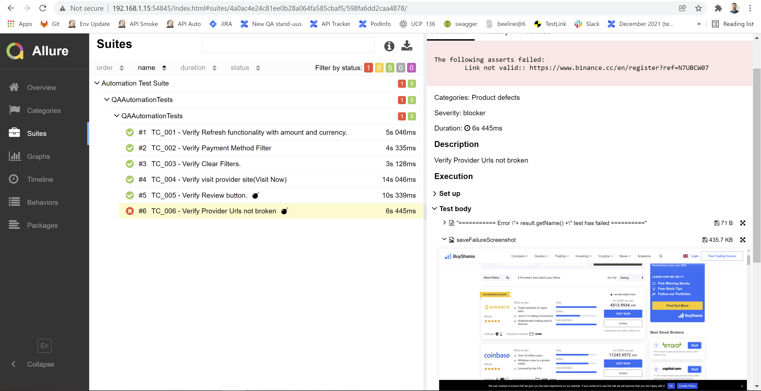
How to generate Allure reports
0 | INSTALL ALLURE REPORTS IN LOCAL MACHINE
1 | Run Tests as TextNG.xml file
2 | Open CMD and go till allure-results directory in project
3 | Run command Allure serve allure-results as in screenshot
4 | Report will be opened in browser window

Automation Tools and know how
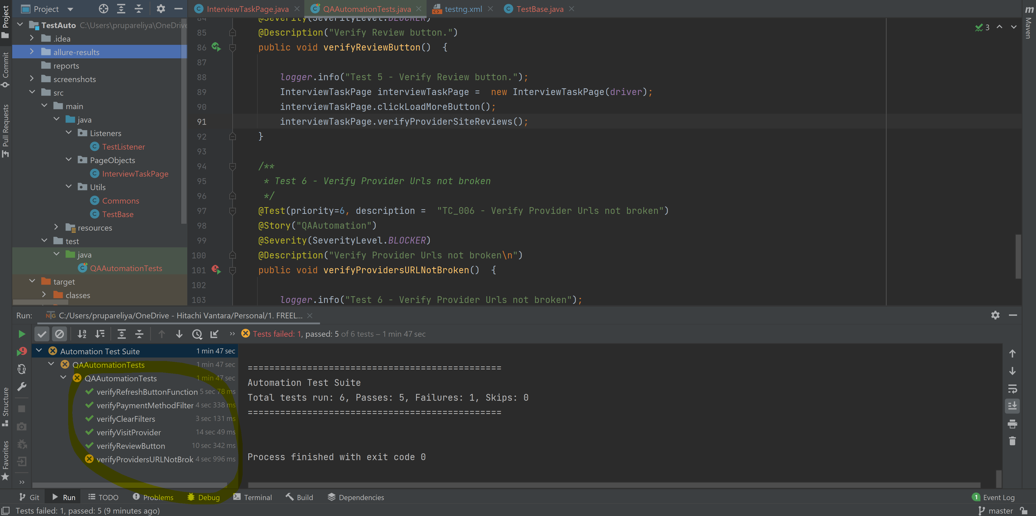
Tool | Purpose | Version
Selenium Webdriver | Web Automation | 4.0.0
Test NG | Unit Testing Framework | 7.4.0
Maven | Build Tool
maven-compiler-plugin |  | 3.8.0
maven-surefire-plugin |  | 3.0.0-M5
IDE | Development | IntelliJ IDEA 2021.2
Broswer |  | Chrome 96
allure reports | Reporting | 2.17.0

How to Utilise/Execute Tests | 1. Manually Trigerring tests from IDE
 | 2. Run as TestNg.xml File
 | 3. Run as Maven Goal - mvn test
 | 4. Use any CI-CD tool to execute Tests
 | 5. Execute pom.xml file

Automation Results

IDE Configurations
